How to Use the Rubric
Suggested Steps for Using the Rubric

1.) Decide if you want to assign each "Level of Performance" a numeric number so you can tabulate a score when students projects are complete
For example: | Beginning = 1 points
 | Developing = 2 points
 | Acomplished = 3 points
 | Exemplary = 4 points

2.) Create a folder where you can keep all your rubrics: go to drive.google.com and select "New" --> "Folder" and name it

3.) Use the "Share" button to share this folder with your students so they can access it

4.) Make a copy of this rubric (go to "File" and then "Make a copy") and add it to the folder you've created by selecting the folder from where the red arrow is pointing:
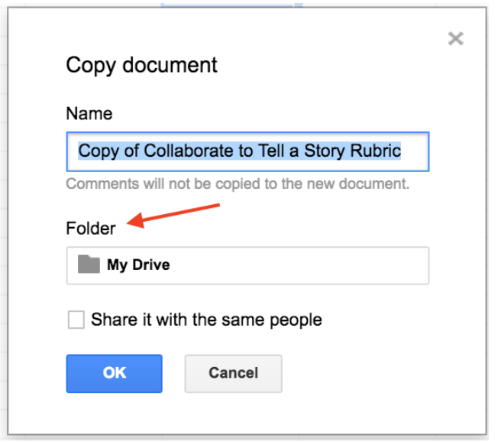

4.) Use the "Share" button to share your copied rubric with students and then ask them to complete the following steps:
a. | Make a copy of the document and rename it using their name
b. | Put the document in the folder you created (this way you have all the students rubrics in one place)
c. | Update the top of the rubric by filling out the "Student name" and "Class" sections

5.) Ensure students are sharing the docs, sheets, slides, etc. of their project with your email as they work through the lessons

6.) At the end of the project, use the rubric to evaluate student(s) work. To do this, take a look at the links to the "Exemplary Project" and the "Beginning Project" to evaluate your students work
For example a filled out rubric might look like this (note: updates to the rubric have been made in red):
Projects |  | Level of Perfomance |  |  |  | Feedback
Outcome | Components | Beginning-1 | Developing-2 | Accomplished-3 | Exemplary-4 | Score | Comments
Brainstorm Story Ideas (using Docs) | Document | Document has been created but is untitled | Document has been created but does not have an appropriate name | Document has been created, has been named and has been shared correctly | Document has been created, has an appropriate name and has been shared correctly | 2 | Provide any comments for the student that you think might be helpful to explain your rationale for this portion of the project
 | Ideas | Fewer than 5 ideas in each of 3 categories: - Settings - Characters - Problems | 5 to 9 ideas in each of 3 categories: - Settings - Characters - Problems | 10 ideas in each of 3 categories: - Settings - Characters - Problems | 10 or more ideas correctly categorized in each of 3 categories: - Settings - Characters - Problems | 3
Link to Exemplary Project | Story Elements | No story elements (setting, character, and problem) are identified using bold, font color, etc. | Fewer than 3 story elements (setting, character, and problem) are identified using bold, font color, etc. | 3 story elements (setting, character, and problem) are identified using bold, font color, etc. | 3 story elements (setting, character, and problem) that logically relate to one another are identified using bold, font color, etc. | 4
Link to Beginning Project | Synopsis | Document does not have a synopsis. | Document has a synopsis, but it discusses fewer than 3 story elements. | Document has a synopsis that discusses all 3 story elements. | Document has a synopsis that discusses all 3 story elements clearly, concisely and completely | 1

7.) If you decided to add up the score you would then calculate a students total score by adding up the score column and in this case, it means that the student would have scored a 10 out of a possible 16 points

8.) Students will be able to see how you scored the project by going to the rubric you originally shared with them (Note: if you don't want students to be able to make any changes to the rubric after you've scored their project, you need to change the "Share" settings by clicking on "Share," then clicking the student name below the "People" box and then clicking the pencil and changing to "Can View" or "Can Comment"

Note: You can use the "Supplementary" part of the rubric to add and evaluate any additional project components

